lotto_numbers
first_name | last_name | Lotto Number |  | Winner-First Name | Winner -Last Name | Winning Number
Mandi | Attewell | 9573620 | First
Claiborne | Gerardi | 5751241 | Second
Marne | Berthod | 9345566 | Third
Violetta | Gillivrie | 1015769 | Runner Up
Aldridge | Dahlman | 5634498
Yard | Stobbart | 4524651
Aloysius | Vardon | 1695287
Coreen | Sinnat | 3420316
Livvyy | Kenward | 1224440
Carole | Tootell | 3830196
Micheil | Maciunas | 1841402
Karine | Peppard | 7329320
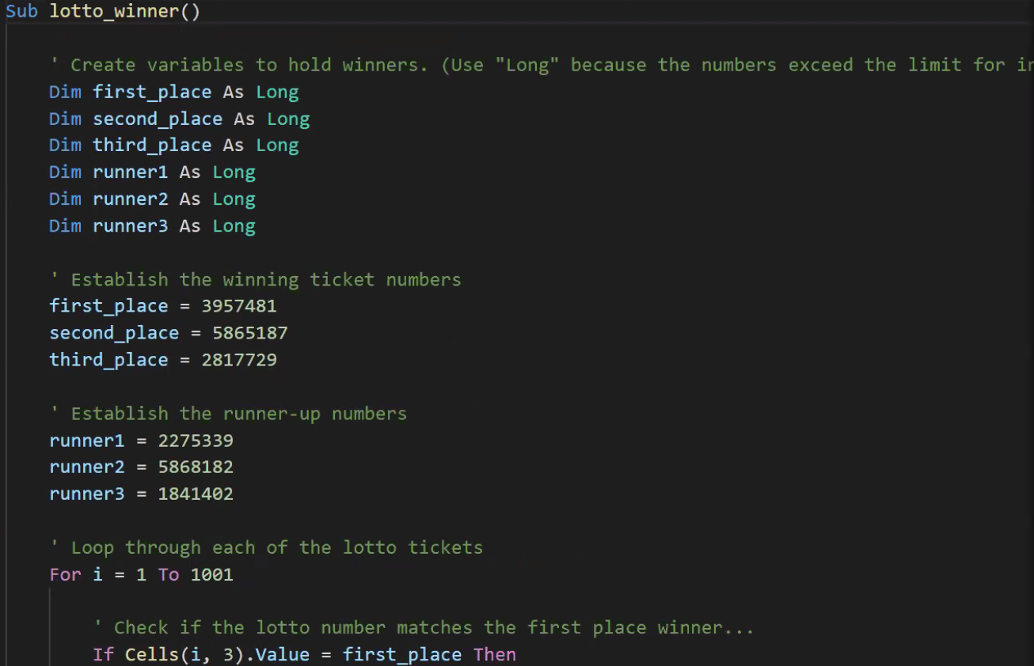
Marcille | Lillegard | 7370633
Maurizia | Buey | 3620983
Arron | Emanuele | 2994962
Mari | Arkow | 2177335
Weylin | Tuison | 9439322
Priscella | Brion | 2376492
Johnette | Kasher | 4089266
Rodina | Coslett | 5899998
Crissie | Goldsworthy | 3460743
Arabelle | Piper | 3223950
Radcliffe | Reichartz | 9861858
Mariejeanne | Windrus | 5866741
Marga | Mattiacci | 9098613
Sarita | Sallings | 9357207
Isabella | Flack | 7547215
Portia | Caulwell | 2967244
Eolande | Kerne | 5061325
Kerrie | Trett | 4965188
Rice | Keford | 7315203
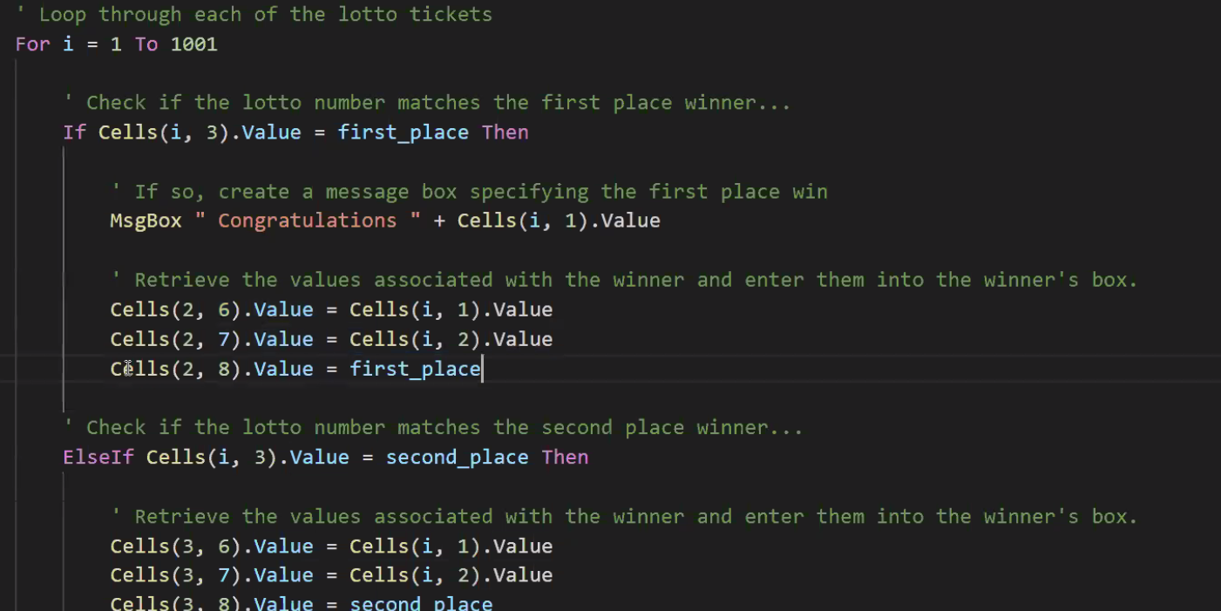
Hanna | Mattingly | 3421129
Jaquenetta | Markson | 4574861
Cherry | Teager | 8014453
Jone | Hulcoop | 9639604
Araldo | Drees | 6783794
Rosemarie | Goodsall | 4093725
Mireille | Daveran | 6471162
Kakalina | Matejic | 2468299
Doy | Schlagh | 2944580
Elianora | Harly | 9616496
Mia | Sommers | 7524639
Blinni | McGeaney | 2845138
Fairfax | Celier | 1102297
Dorelle | Ritchley | 6867606
Lenore | Dowthwaite | 5560383
Glennis | Camerati | 5976230
Quillan | Josefovic | 5510403
Hertha | Schoenleiter | 7170323
Omar | Rodbourne | 8760306
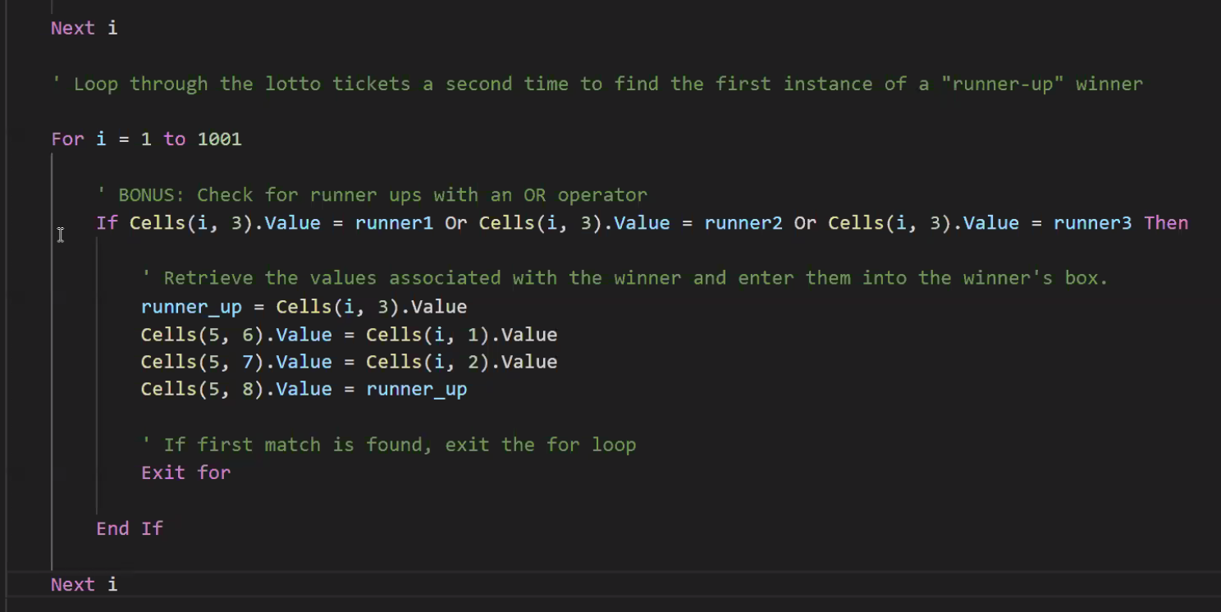
Roy | Ary | 2072094
Benoite | Bestman | 3312534
Arther | Setterfield | 8559023
Ignazio | Norcliff | 9439691
Prentiss | Crab | 7786781
Robinet | Beet | 8851020
Valry | Vicarey | 3955040
Randi | Agiolfinger | 9629261
Pepito | Valder | 4786489
Nertie | Sallowaye | 5774818
Sande | D'eath | 2223491
Miles | Heaven | 7269215
Halley | Buntin | 4355424
Frasco | Nixon | 1595989
Tressa | Pacher | 8274205
Esteban | Philimore | 8238331
Graeme | Readings | 5865187
Ignaz | Petran | 8453434
Dani | Purchase | 5637003
Dimitri | Gwioneth | 4548505
Maurise | Audry | 5211516
Antonie | Kierans | 5030759
Audra | Ahlin | 3276871
Win | Lurcock | 7310582
Leif | Collingworth | 8253696
Morna | Benedtti | 3215969
Alvin | Pepis | 7956374
Thelma | Mawby | 6549255
Marve | Mellings | 2627353
Dalston | Fosdyke | 1037892
Veronike | Sennett | 9850734
Harmonia | Birchall | 9582788
Griff | Besantie | 6228765
Zora | Inchan | 6375858
Alexander | Ledwidge | 8381822
Maynard | O'Hartnedy | 7290153
Alameda | Rundall | 7030326
Shel | Feilden | 2174340
Kayley | Redmond | 3430451
Terri | MacFarlane | 5007970
Ike | Sailer | 1132869
Birdie | Kale | 4149804
Ginnie | Cleugh | 4006951
Alfy | Paulsen | 4438597
Norma | Orsi | 4894661
Arabele | Sayton | 9496843
Enoch | Robecon | 3181962
Dehlia | Hixson | 3471293
Peta | Brimilcombe | 7040408
Duff | Tabourel | 8124421
Janaye | Snooks | 5225131
Riva | Trayton | 9103135
Zebulon | Highnam | 8369940
Leigh | Jotcham | 4207296
Malinda | Willas | 9910250
Uta | McAlinden | 6429144
Janaya | McGivena | 2573136
Vinita | Bendare | 5924146
Rahal | Lambrecht | 5031510
Leoline | Moorfield | 6016947
Jaclyn | Bysaker | 6182642
Philomena | Leiden | 4903402
Andrei | Lucio | 4729723
Pierrette | Ewington | 8535944
Aldridge | Nelle | 1168559
Gaven | Lovitt | 4250513
Lilith | Szapiro | 3411883
Eduard | Poundford | 1100808
Mattias | Tenbrug | 7644559
Chaddie | Bessent | 4690175
Huberto | Kingsford | 6207502
Codie | Kenforth | 1667282
Roderick | Bloggett | 2590309
Holly | Sobtka | 5259408
Philippa | Tourot | 1185624
Virgina | Maynell | 1819802
Lia | Kitman | 6769762
Kamillah | Bumford | 6768023
Bren | Cubbino | 4770263
Curtis | Hanalan | 6309168
Nedi | Tabner | 3149768
Hana | Seabrook | 7407668
Sheelagh | Daunay | 4295382
Selina | Pattini | 3614350
Godfree | Sarsons | 5997060
Lenore | Penzer | 3533901
Beryle | Rougier | 3062383
Aubrette | Iacovelli | 9477610
Ike | Stairs | 4097357
Arvin | Caldera | 1058583
Vaughan | Latham | 2506983
Coleen | Sandford | 9496816
Lydon | Crosbie | 2125604
Myriam | MacNalley | 6165279
Sergei | Blonfield | 2413149
Sibella | Clawley | 5302570
Burtie | Stearnes | 3305672
Annabal | Mughal | 9427563
Phillie | Glendza | 6028663
Griff | McMahon | 9109227
Staci | Collidge | 5285836
Noble | Scaife | 8843903
Dorian | Leates | 7622616
Debra | McEwan | 2673386
Dede | Sturney | 4573750
Winnie | Mulqueeny | 7362984
Domenico | Lanchberry | 7815994
Frants | Kordes | 4144801
Anneliese | Braywood | 8618150
Buddie | Sidary | 9757271
Melisande | Risby | 5394177
Teodoor | Elmhirst | 3100097
Janot | Gaunt | 5106496
Logan | Wixey | 8188611
Rance | Lamberto | 8553167
Corina | Boutellier | 3559429
Barde | Treat | 3876853
Susann | Stoyell | 9524834
Kelcey | Finnis | 7146638
Debbie | Lannen | 4594161
Venus | Hissie | 5798164
Rutger | De la Yglesias | 6004206
Nonah | McKelloch | 2549637
Sisely | Cromar | 9704377
Rennie | Lynam | 2862775
Lanita | Flips | 2128846
Regine | Uman | 4509758
Micki | Hurtado | 9037550
Lucretia | Camier | 5354670
Delmer | Peinton | 9260159
Dur | Newcom | 8020400
Ulrike | Brobak | 2640883
Peirce | Newstead | 3364856
Catherin | Richarson | 6181334
Madlen | Haydon | 8463496
Bondy | Deyes | 8155938
Angel | Mallia | 3442389
Nelie | Bartoszek | 9464520
Adriana | Reeday | 9705788
Lizbeth | Braban | 6544266
Aurora | Furlow | 3182796
Brandy | Dredge | 5270204
Janessa | Kingescot | 8275651
Peterus | Moffat | 8091608
Alia | Applegate | 4220552
Bendick | Olivari | 4391598
Coreen | Silby | 8892438
Judon | Goulstone | 6183756
Lusa | MacDuffie | 4127566
Langsdon | Sneesby | 9486232
Joelie | De Vaan | 9769242
Alwyn | Chanson | 2504148
Gael | Colbertson | 9191794
Nettie | Littlemore | 9957528
Leonardo | Trusslove | 3245926
Cameron | Emig | 5435759
Freddi | Downe | 7566631
Vaclav | Kornes | 3326129
Alyse | Sybbe | 2711312
Bobbie | Bathow | 7959677
Billy | Ferrarese | 4901609
Lemmie | Barabich | 6165460
Karia | Jackalin | 2032285
Audi | Mooring | 4870784
Hector | Carlyle | 4009204
Cornell | Stickney | 7048191
Desiri | Palmar | 6345872
Emiline | Talton | 6105592
Bevvy | Vandrill | 7589249
Thane | Darbyshire | 2373283
Thornton | Oseland | 6079283
Agathe | Berntsson | 9111600
Trudie | Doge | 7772616
Goddart | Lanchester | 9126592
Dar | McClaurie | 1211439
Piotr | Carvil | 8442703
Trace | Clemmen | 1883771
Ferdy | Hamil | 4441631
Leonardo | Coleby | 9257692
Jasmina | Sacker | 3552993
Iris | Hessing | 1783588
Adelind | Findlater | 1567446
Frants | Desorts | 2063516
Frasier | Verissimo | 3662772
Reynolds | Redsull | 7829189
Catherin | Fendt | 8619719
Illa | Shardlow | 1632464
Harriot | D'Andrea | 9731610
Daniele | Shoosmith | 6244334
Simon | Rollings | 3324397
Cecilius | Heartfield | 7650241
Mariann | Hodgin | 2435366
Ingemar | Benedyktowicz | 2057398
Constancia | Mallinson | 6413134
Marven | Draco | 9378867
Arielle | Boyce | 8738523
Claudian | Jennison | 7363245
Sabra | Fullbrook | 2327760
Shawn | Lakin | 8298074
Burtie | Randales | 1954094
Sigismundo | Fullylove | 7413157
Kellina | Gerrett | 5999715
Page | Auden | 2842871
Annmaria | Rayner | 6234396
Abba | Eade | 9711385
Tiena | Fellow | 1200500
Tiff | Jaycocks | 5899153
Bevan | Giannassi | 9316234
Danya | Geertsen | 6016188
Lurlene | Ivanin | 7931609
Judas | Lippett | 2013748
Julio | Dimsdale | 7982285
Dido | Slingsby | 7123284
Kacey | Baudasso | 9701146
Luis | Loos | 3306577
Emilie | Dudden | 9809683
Blinni | Keslake | 1861668
Susanne | Storer | 6912891
Adah | Halwood | 8450453
Sarge | Vallens | 6812823
Shane | Presslee | 1461697
Con | Dinsale | 8463905
Evy | Fryatt | 3380837
Alene | Castella | 1270590
Modestine | Pratten | 4581224
Lebbie | Makey | 7276090
Patricia | Amiranda | 3184396
Riane | Yewdale | 3527739
Corinna | Duddridge | 3667071
Irwin | Keveren | 6128955
Simona | MacRanald | 2409348
Isabelita | Baytrop | 5320528
Mandy | Kyncl | 9860495
Gonzales | Count | 2790175
Wilmer | Martinuzzi | 7779105
Solomon | Errett | 9139049
Charmain | Frayn | 6771977
Lottie | Hatliffe | 8626849
Delaney | Burress | 7349055
Rouvin | Decruse | 8845936
Devonna | Keene | 3484727
Marc | Kynett | 9806607
Cecelia | Lenaghen | 5026705
Tammy | Rigby | 5416866
Stan | Damato | 9329855
Sidney | Lowes | 6004186
Drona | Rabb | 7798164
Herold | Duchateau | 3388214
Ollie | Fawdery | 2327299
Russ | Wordley | 3592610
Caralie | Stilwell | 8991468
Tandi | Konrad | 9419862
Noll | Showt | 7950867
Alfie | McCarty | 8775522
Padraic | Hanton | 4581214
Ulrikaumeko | Sandon | 8985379
Jarret | Heijne | 4844443
Kean | Lambricht | 1809805
Selestina | Cornall | 8402372
Ainslee | Martugin | 5101561
Edi | Taft | 9544961
Sheffield | Shevels | 5839666
Darice | MacAlinden | 6955388
Ralph | Board | 7731293
Eleen | Le Hucquet | 2335625
Beck | Pavluk | 3945613
Corney | Elcomb | 2335255
Quintana | Whickman | 1129678
Nataniel | Lydiatt | 8689114
Sibyl | Gurden | 9310453
Lil | Cooksley | 3974114
Parsifal | Ellings | 8999506
Lek | Ambrogiotti | 8808444
Ermanno | Bossingham | 9011629
Rea | Coneybeer | 4680382
Thia | Schleswig-Holstein | 6911071
Teddy | Muscat | 1342863
Taffy | Marland | 6117387
Trista | Tingcomb | 3596781
Kelila | Cowterd | 4099706
Ainslie | Doggett | 6062097
Jacqui | Stringer | 2506379
Tamara | Ranyelld | 9295594
Shae | Rodear | 9922107
Terrell | Aireton | 7214568
Rickie | Tewkesbury | 6924564
Everard | Durnell | 4566616
Sylvester | Berthelet | 5797307
Rebecka | Karpov | 9706492
Annabella | Flatte | 9033415
Gabriel | Troke | 3893863
Keslie | Cusick | 3405418
Nikki | Deason | 6490286
Alayne | Camilio | 3596370
Lenka | Davidou | 4312447
Adrien | Blankett | 8741036
Tania | Tomlins | 2481000
Becky | Leitch | 3067360
Malory | Deville | 1608360
Francesco | Quantrell | 3237705
Mychal | Evequot | 1014833
Rolfe | Le Breton De La Vieuville | 7635925
Farrel | Westrip | 7324073
Inez | Kilian | 3668436
Hardy | Heustace | 1706234
Almira | Fountaine | 8297660
Jammal | Dunsire | 3555467
Shayna | Foulcher | 5346513
Bank | Langfield | 8349464
Valentine | Tegler | 2817729
Gran | Riste | 7303367
Winifred | Ivashov | 2749436
Wanda | Peet | 2694779
Catarina | Montrose | 8596156
Willyt | Nemchinov | 5910332
Addy | Diegan | 3771760
Bernadette | Bastock | 2240490
Lisha | Blei | 8234006
Renell | Domsalla | 9338839
Ania | MacNucator | 8247144
Katrinka | Duny | 6534890
Jacques | Redshaw | 9073999
Ike | Ince | 2534035
Norine | Larvin | 8108837
Brynne | Cavil | 4297608
Juliette | Dunican | 2639038
Randene | Secker | 7045510
Mendie | Dunbar | 7633989
Nicolai | Yacobsohn | 6825421
Maribel | Symms | 1018450
Goddart | Karp | 1293338
Irene | Vassano | 7253200
Gayelord | Jeafferson | 7149747
Mora | Coltart | 7487793
Brittany | Gellion | 7517551
Kelila | Walklot | 7953081
Vivian | Richardes | 6925315
Cal | Packham | 8012169
Claudius | Spering | 2784234
Pauline | Gettins | 6095721
Vannie | Lapthorne | 3762683
Kimberli | Anfonsi | 2649348
L;urette | Moulster | 7592616
Toby | Monget | 6876513
Camel | Bernardy | 9361232
Junina | Bleby | 7175338
Robbin | Cordall | 6471311
Hesther | Songer | 6217145
Gwenny | Arndell | 4739970
Inness | Pyper | 9951380
Kissee | Feron | 9990239
Ansley | Twatt | 3310827
Hall | Canario | 3954079
Agnola | Blacket | 4859096
Katy | Stuckley | 3304977
Ambrosio | Harfoot | 5184099
Nonna | De Filippis | 5730156
Hyacinthe | Buffery | 1945888
Lisette | Demaid | 3185861
Anny | Girt | 2076511
Stanford | Giovanitti | 4121437
Leroy | Longstaffe | 1360337
Mario | Cicccitti | 6732695
Pattie | Espinay | 8344880
Eugen | Capoun | 2645249
Daniella | Pie | 5593066
Farris | Fraschetti | 4714410
Kleon | Whiteman | 2751949
Angus | Ruoff | 6670973
Lorain | Vicioso | 9752035
Hilliard | Beeston | 6074265
Doralynn | Storre | 1933767
Robin | Altofts | 1596113
Georas | Victor | 3276874
Genia | O'Gavin | 4076230
Freddy | Cranstoun | 7445096
Beverlie | Rosini | 4051263
Lydie | MacCarrick | 6330134
Annalee | Dionisetto | 3124048
Chickie | MacDirmid | 5913359
Shannon | Hempshall | 8927752
Reagan | Royall | 2670154
Valentijn | Goldman | 4947683
Sergent | Olivier | 2544743
Hatty | Chippendale | 7012828
Cyril | Jeune | 7820068
Fremont | Spenclay | 6279198
Dru | Mitkov | 3672020
Arabele | Bakes | 4620483
Rooney | Zorzi | 1585901
Gwyn | Bosch | 4829930
Christoforo | Emslie | 6564926
Pembroke | Von Welden | 4254457
Ronni | Cowoppe | 9394223
Brantley | Jury | 3953824
Matilda | Satcher | 4862866
Eldridge | Phython | 4579405
Morty | Dring | 7598264
Kristina | Kepling | 2346636
Melodie | Laxton | 5636392
Rutherford | Pol | 4506502
Salomone | Clery | 3474323
Shoshanna | Bernardi | 9035567
Dinah | Timms | 9952201
Chico | Brockherst | 4835728
Karil | Atwel | 7473326
Erna | Passler | 3019632
Claresta | Cotgrave | 6101975
Carey | Trengrove | 8773562
Henka | Spickett | 4217206
Aurel | Burniston | 4943992
Ally | Gonsalvo | 3342793
Godard | Harvie | 7029139
Artair | Skim | 6026921
Tonye | Manion | 2833840
Tallulah | Spensley | 9528461
Cinnamon | Hasling | 6809593
Garnet | Keniwell | 8027038
Nevsa | Parkins | 6531248
Tudor | Wylam | 8611790
Valenka | Hutson | 3992223
Kora | Blood | 6489749
Orelee | Fasset | 9527832
Binny | Birkwood | 4748630
Ryan | Birrel | 7344976
Wren | Wrathmall | 2535024
Rafaelita | Hanscomb | 2676378
Sholom | Braithwaite | 5445408
Amalita | le Keux | 2450752
Ermengarde | Adamovsky | 8708798
Avril | Dogg | 9298918
Lorain | Starking | 3683577
Saree | Peel | 9645537
Bryana | Shorthouse | 4678886
Agata | Milborn | 6695714
Gale | Brunelli | 7868554
Caspar | Seely | 6277909
Melisandra | Spittles | 8157785
North | Dat | 5353848
Constantina | Setterington | 7760255
Joella | Benoit | 4565382
Karissa | Tipens | 5927605
Marillin | Thame | 4449913
Bettine | Terrell | 1177152
Dorette | Backsal | 8122250
Marrissa | Pilgrim | 9745974
Codi | Creese | 5013405
Sigismundo | Maden | 6262164
Auroora | Sibbson | 2230343
Merrel | Keitch | 5408597
Fritz | Ballsdon | 4998204
Leon | Trewhella | 7319609
Larine | Del Monte | 5392631
Danni | Cavanagh | 3527721
Livvie | Salery | 2843873
Yetta | Quartermaine | 2878424
Felipe | Edney | 3889194
Aubrey | Sweetenham | 4597839
Jorry | Carnall | 2300893
Phebe | Speer | 5877806
Yasmeen | Lepere | 8699293
Alberik | Wooton | 5731219
Melina | Trevaskiss | 2041572
Bridie | Pashby | 9163110
Spence | O'Hagirtie | 9378590
Kelbee | D'Abbot-Doyle | 2777322
Gustav | Gostick | 6800469
Elana | Stogill | 8627428
Stoddard | Nardrup | 1064005
Dev | Latek | 9354881
Mateo | Pitrelli | 9012482
Krista | Hablot | 3958921
Stanwood | Wysome | 7318979
Hi | Louys | 1397089
Dori | Gilley | 7390075
Lira | Rubbert | 5431080
Edsel | MacRannell | 1399260
Denis | Naisbitt | 7602532
Phillipp | Hemphill | 5156710
Rockie | Parres | 2952618
Parnell | Carle | 3106733
Berky | Lewsam | 3245035
Miguel | Zanettini | 1112073
Arney | Valdes | 2338336
Powell | Cahn | 7425377
Janet | Peaurt | 3247743
Tedda | Attenborough | 8857186
Margi | Bird | 8873029
Paolina | Kenright | 6101698
Rusty | Godding | 3897722
Raimondo | Lortz | 1518067
Alena | Hardesty | 6979083
Ula | Pipworth | 9092129
Dorella | Gann | 6634613
Terrel | Ennew | 7757866
Batholomew | Scholcroft | 6796664
Barbabas | Stuckow | 4283593
Averyl | Schachter | 9547554
Aleece | Lovelady | 6293433
Aurlie | Kremer | 3284795
Evaleen | Blaszkiewicz | 4346813
Maximilian | McIlenna | 4903226
Niven | Antoniewski | 1463316
Tammie | Hurry | 7812925
Lorilyn | Touzey | 4193653
Kacie | Sheere | 4469156
Linnie | Harlow | 3315430
Clyve | Fogel | 6808140
Amandi | Beert | 3538811
Ronny | Stroton | 2967787
Katina | Betchley | 3569182
Lorianna | Dentith | 2396760
Arlyn | Burry | 3279677
Sigrid | Rollason | 9086870
Mervin | Quiddington | 4630658
Jaimie | Lanchberry | 8916231
Crystal | Giacobazzi | 3732797
Nahum | Sywell | 5728316
Pearl | Hearne | 1038113
Rollie | Eam | 3391618
Dudley | Hardes | 4909865
Adriaens | Levings | 1200872
Reinhard | Duggon | 8501685
Mayor | Hukin | 5118076
Guthrie | Kasperski | 8976398
Jean | Muldownie | 6713026
Enrika | Bellee | 5438016
Wilona | Agate | 1090981
Alexandre | Backshell | 7609254
Kizzie | Bayliss | 4470636
Kevyn | Vasilmanov | 2100617
Candace | Gaffon | 9781165
Gail | Grimsdike | 2098163
Zahara | Mathieu | 8928582
Dorene | Jerson | 6157695
Thaxter | La Vigne | 2233298
Reiko | Veivers | 5003005
Tedie | Bees | 6975597
Fayre | Tourville | 6986841
Tome | Whight | 9556371
Lowe | Dimitrescu | 9591374
Carlita | Tims | 7812543
Aimee | Wermerling | 6068316
Allyce | Casarini | 9202088
Demetrius | Gatley | 2167727
Ginny | Cescoti | 2393260
Nehemiah | Stains | 3724363
Lusa | Dofty | 5618374
Mathilda | Maiklem | 5269080
Julienne | Micklem | 5766397
Aurelia | Spry | 6536469
Livia | Lamplugh | 3567535
Bil | Oldford | 6922539
Amelina | Tuplin | 4065326
Trula | Imlacke | 6338052
Yvette | Wrennall | 7474911
Norton | Careless | 6318641
Emmi | Pindred | 2907707
Jenn | Smeath | 1662401
Morie | Biagioni | 7090788
Diannne | Daggett | 2992488
Dawna | Milborn | 1241476
Jermayne | Ansett | 1537126
Allianora | Leppard | 3294548
Chrisse | Glentworth | 1817625
Fredi | Lawranson | 5076035
Field | Shepard | 3718394
Zelig | Bengoechea | 5054959
Reggy | Seage | 8052829
Dion | Stuttman | 6903293
Pearline | Gurley | 3535734
Eloise | Guillard | 9176543
Bevon | Conkay | 8708737
Burt | Berrow | 5429897
Thurston | Bruty | 7316586
Kelley | Baddiley | 9120630
Krystyna | Sheerman | 7671869
Charyl | Sidnall | 1358147
Adria | Rubinfeld | 6520274
Mallorie | Gaffon | 1815055
Delmore | MacSkeagan | 9110094
Morrie | Habbershon | 8270953
Alma | Plews | 3203025
Evangelina | Foord | 1125709
Michelina | Fidal | 1130201
Edlin | Records | 6377186
Burty | Mehaffey | 1649670
Talbert | Brunel | 6246882
Nanete | Matieu | 6366663
Pacorro | Riccard | 5657364
Lacee | Clavering | 4057848
Karyn | Dehmel | 2950562
Farra | Nafzger | 8725006
Marlo | Aubri | 8336492
Teodoro | Maestrini | 7377864
Agnes | O'Corrin | 1180611
Manfred | Goldby | 1628302
Dede | Brik | 4920498
Ilise | Anselmi | 3635840
Ruby | Vankov | 5007687
Fred | Dunsford | 3303304
Jakie | Kenewell | 9010248
Bobbe | Bickell | 5802717
Yvonne | Mourant | 9488287
Adorne | Decroix | 4574618
Eydie | Lawden | 4312941
Debbie | Ordemann | 3953661
Noll | Butten | 6252461
Paulo | Gilbeart | 3221969
Jena | Waterstone | 6145490
Davin | Brogioni | 1165645
Mata | Dericot | 3872720
Stanislaw | Van De Cappelle | 5248290
Claudette | Screwton | 6710539
Serena | McDool | 8081467
Clevey | Corneljes | 4487474
Carlo | Pyper | 1865784
Dannye | Ladell | 1404844
Giselle | Killbey | 6899531
Karim | Offener | 7466903
Willa | Podd | 6822058
Tracey | Jackett | 2015096
Ronda | Zipsell | 1164121
Ardelle | Bilbey | 7186994
Mathian | Kocher | 1554288
Abrahan | Wetherill | 8713848
Marchelle | Prazor | 5013471
Rosalyn | Martineau | 6591588
Duff | Corston | 7421062
Brigid | Redwing | 3957481
Joyan | Aizlewood | 1416168
Lazarus | Tern | 3970272
Dennison | Leyden | 6058019
Doralynn | Naisbet | 6712000
Alli | Ipwell | 4218769
Jordan | Feighry | 8073821
Christiana | Thunder | 9961764
Berti | Mollin | 7223182
Maritsa | MacCawley | 1454808
Leonid | Cason | 5023276
Killy | Derisly | 5587422
Clio | Brixey | 4584956
Alejoa | Faulkner | 6143787
Iona | Bumphries | 8119002
Lulita | Jacqueminet | 3061026
Rosalinde | Sixsmith | 4309362
Fabiano | Torrance | 2857823
Holly | Dellar | 3301457
Bernhard | Emmins | 2966677
Esra | Mabley | 3723347
Marysa | Aguirrezabal | 4867468
Helsa | Gruby | 7361594
Ketty | Stickells | 4007926
Ursala | Calderbank | 5600010
Deena | Shervington | 3379191
Gill | Paradin | 9936795
Delmer | Bennion | 6452255
Francene | Nuttey | 8028593
Vito | Nel | 8958432
Evin | Ballard | 6573388
Engelbert | Piggford | 6397863
Allene | Pilbeam | 7990264
Coralie | Novotni | 5125411
Dalton | Triggel | 4041596
Chaddie | Yakubowicz | 5399462
Nester | Bendan | 4185969
Jessika | Pena | 3093133
Tracie | Search | 1660844
Erin | Brundill | 2420730
Kim | Lory | 8178034
Yuma | Faber | 9907061
Verena | Kops | 8760036
Sallee | Hibling | 1169355
Cordelie | Claige | 8177410
Harlen | Dye | 6350985
Si | Cicconetti | 5981151
Rori | Sahnow | 4778134
Daisi | La Grange | 8373699
Fabien | Toman | 2700950
Erminia | Niblett | 1962103
Dunstan | Kurtis | 6180526
Stepha | Kinforth | 9072141
Bord | Kennally | 2015913
Shelagh | Lumly | 2989239
Will | Lyste | 3596724
Alejoa | Yukhnin | 2081710
Shana | Dooman | 4549736
Dalton | Ennew | 7240450
Bryana | Pallatina | 6877366
Ardenia | Basnall | 4705530
Ophelia | Casaroli | 4454207
Ebenezer | Whitcher | 7334559
Barnabe | Ikins | 4544979
Cynthie | Biles | 9425598
Jae | Huntingford | 1245157
Prescott | Peirpoint | 4192915
Jeremy | Presser | 8403753
Berta | Mucklo | 6565432
Delano | McPartlin | 7268298
Wendye | Tellenbach | 6814073
Oren | Steanson | 3692906
Krystle | Alastair | 7520778
Rosanne | Isard | 9732994
Natty | Tristram | 7473910
Fanya | Hansberry | 8983221
Salvidor | Shurrocks | 6178326
Emmet | Gynn | 3004282
Keely | Heifer | 5289095
Adele | Waddell | 8477532
Shoshanna | Inglish | 4112367
Constantina | Berns | 2738992
Chloette | Devil | 1963665
Stacia | Arno | 2903159
Tiler | Gillford | 6795617
Tabitha | Mereweather | 7445696
Dani | Cradick | 3847710
Port | Smiz | 4859064
Marshall | Large | 3925302
Blaine | Matterson | 4435369
Karylin | Prowting | 9551360
Gwennie | Poppleston | 5396474
Basilius | Allawy | 4646826
Adaline | Tebbe | 2996681
Temp | Morritt | 8097125
Washington | Sivyer | 9760782
Jazmin | Duerdin | 2759403
Randie | Rubert | 1317662
Mercedes | Gash | 5031562
Philbert | Skoggings | 8187450
Kiersten | Cloy | 8853119
Leonidas | Nash | 3732299
Clemmy | Beville | 7689211
Alfonso | Plaskett | 5833612
Hurleigh | Lickorish | 8341198
Darice | Ranscombe | 3141550
Darbee | Jewsbury | 4632533
Frazer | Mammatt | 2132300
Guenevere | Risbie | 1639303
Christy | Pennington | 2661991
Shel | Grigore | 5157149
Bibbie | Rubinlicht | 2250431
Annabelle | De Mars | 9329539
Wake | Lampert | 5200818
Domenic | Sansum | 2991832
Cahra | Powell | 3999217
Catharina | Le Brom | 9335218
Edd | Bealton | 4651582
Jan | Arnke | 2112074
Zorine | Georgeou | 9611104
Kirstin | Cisec | 9897819
Con | Smaridge | 6560002
Hershel | Murrigan | 1336054
Emory | Brimilcome | 8622486
Blondy | Zapata | 4480697
Joshia | Roche | 7257590
Charin | Mannooch | 2026298
Corella | Ruos | 5327311
Batholomew | Cavolini | 7645230
Saba | Whyley | 9854594
Rycca | Tatham | 4258874
Titos | Mongin | 2607926
Will | Pulley | 3644341
Allistir | Cleyne | 3137800
Rowan | Ghidoli | 7567520
Susanne | Baynton | 2570377
Chery | Doorey | 4537246
Chastity | Menelaws | 7523850
Jaquelyn | Dooney | 2448622
Robbie | Walczak | 9630093
Idalia | Ferres | 7462484
Justus | Brack | 1817568
Wilek | Bradshaw | 4670344
Randene | Dies | 4930293
Ezechiel | Grouvel | 1808425
Shannon | Suckling | 3392210
Katrine | Michelotti | 4126467
Maynord | Blount | 3819923
Eustace | Wycliff | 2525093
Baxie | Colleran | 2386515
Mady | Juza | 2120177
Tiertza | McCullock | 4572584
Amalee | Scranedge | 8370386
Floyd | Lisamore | 7021025
Nyssa | Pitrollo | 3211889
Phillis | Varfalameev | 8735784
Lainey | Loughrey | 4597590
Reggie | Tonbye | 7457420
Louella | Reisk | 9444892
Margery | Mallan | 8756984
Papageno | Ferns | 9569715
Martie | Gailor | 3827218
Kinny | Barends | 3370845
Mitch | Troctor | 7311896
Isidor | Raiment | 8771687
Tadio | Theml | 8774050
Forrester | Jeenes | 3489481
Odetta | MacRinn | 5239201
Dorothy | Mattam | 5076464
Henrik | Haycock | 5395239
Gabie | McElrea | 5426717
Vidovik | Izod | 7315816
Genna | Lower | 4447763
Inger | Davidowich | 3148081
Shelton | Poznanski | 9260345
Kellen | Bartlet | 2275339
Michelina | Tipperton | 4673143
Addia | Casolla | 6705940
Dino | Celloni | 8186528
Bill | Claricoats | 7869764
Gerardo | Andrea | 1416706
Stace | Sumner | 6980111
Stormie | Nuccitelli | 8070414
Arline | Cannavan | 1406492
Sib | Andersen | 7898591
Trefor | Brewster | 2507141
Amity | Dracksford | 7612426
Joni | Braybrook | 7563863
Christalle | Gynne | 6522956
Ned | Primrose | 5560283
Vania | Zamudio | 1897625
Vilhelmina | Pudsey | 3316272
Tynan | Middle | 1348949
Morgen | Nockells | 2115651
Pearce | Odam | 6207431
Benedikta | Burren | 9119669
Emmy | Leadbitter | 8354383
Teirtza | Boultwood | 9044833
Margarete | Hards | 9959209
Griffie | Brough | 7639193
Bennie | Cloy | 6350615
Saundra | Liddiatt | 9669426
Gilburt | Dawtrey | 4178492
Timothee | Jeandin | 8361645
Salomi | Bomfield | 9637564
Gregorio | Thurlby | 9179078
Fredia | Lezemore | 6931106
Rosalyn | Jullian | 4573852
Rudy | Millyard | 1943080
Desi | Pedrazzi | 1209806
Amye | Gregersen | 9535496
Darill | Camber | 9154107
Adorne | Dargavel | 4584312
Ellswerth | Shawcross | 8357827
Stearne | Stobbe | 2967325
Grover | Tapper | 1366636
Olympie | Cutajar | 8886276
Kizzee | Shepherd | 1520929
Elliott | Novello | 9937081
Elliot | Butland | 5256756
Jarvis | Blockwell | 4176292
Ferne | Kyllford | 5560226
Talbot | Sherebrooke | 7462332
Kennan | Fancourt, | 3807268
Rudolfo | Mucklo | 8865501
Husain | Boorn | 2808491
Rodger | Plenderleith | 1686912
Josephine | Revelle | 4272729
Baxy | Rissen | 7657562
Arluene | Sleany | 5265716
Priscilla | Barritt | 6107543
Jone | Vye | 9259540
Liam | Franciotti | 4050016
Harcourt | Keymer | 1437338
Basile | Loukes | 8125646
Luz | Barenskie | 4484649
Dione | Andrioli | 1113469
Godfree | Cumberlidge | 1338534
Reider | Umpleby | 5790955
Pattie | Wescott | 4464135
Dew | Buntine | 5424914
Kyrstin | Steggles | 2532699
Walker | Shuttlewood | 3515623
Win | Assiter | 7398860
Matteo | Liquorish | 2358577
Jo-ann | Cobbe | 6441937
Albie | Kilbane | 8733561
Garrek | Punt | 2406186
Jobey | Marquese | 8724518
Lory | Rizzello | 3078253
Dusty | Esp | 5871833
Dalston | Male | 5014938
Griselda | Guerro | 6281928
Dov | Adamovicz | 7110725
Katusha | Killelea | 5505398
Roger | Jacquemard | 7830501
Daven | Hammant | 9839427
Ursala | Gillis | 5339663
Britte | Werny | 4983082
Hyman | Mushrow | 4441790
Ernaline | Tarzey | 4575554
Luz | Widdicombe | 1614848
Mark | McHardy | 4736143
Davidde | Danigel | 9777689
Kippar | Jenny | 3992952
Thorny | Stallion | 2472233
Romona | Aust | 3624949
Caitrin | Crucitti | 8596025
Preston | Side | 9740481
Phineas | Titchard | 6860526
Conn | Follan | 1098311
Elwyn | Louche | 8181164
Tobye | Lilleyman | 3867135
Rozele | Bezants | 1747979
Brennen | Woolmington | 6819325
Natala | Handforth | 6965725
Justis | Baal | 1419580
Kahaleel | Westover | 4697912
Baillie | Held | 8542961
Chas | Peachment | 2855452
Elfrieda | Goldhawk | 7579429
Lincoln | Angless | 7965183
Wilfred | Tabbernor | 5484238
Yule | McGahy | 2580715
Timotheus | Tiddeman | 2718434
Kora | Allder | 8283912
Dom | Osmint | 7636735
Ediva | Pozzi | 5099312
Hansiain | Grise | 1111920
Reagen | Questier | 9838079
Alexine | Kindley | 5218604
Ronica | Cowmeadow | 1365396
Inglis | Packham | 3611293
Gustaf | Tourville | 9130507
Isadore | Baudts | 4136240
Bennett | Jerams | 1255268
Hart | Medeway | 8635823
Guthry | Signorelli | 4321057
Crawford | Stuck | 7034365
Lyssa | Kummerlowe | 5751466
Buck | Atmore | 2595421
Kaleb | Bushaway | 2699451
Granthem | Skowcraft | 7498271
Lizzie | Postan | 9825088
Stanley | Lamplugh | 5301412
Barrie | Leidecker | 9599268
Patrizio | Edlyn | 8203233
Randolph | Leuren | 1934379
Kaleena | Shallow | 5709274
Nerita | Sigge | 9184731
Magdalene | Dripps | 1908216
Theodoric | Bogies | 1708409
Kimmi | Rollitt | 8790756
Stearn | Fifield | 3913270
Jacklyn | Vallis | 9637084
Debby | Yancey | 5868182
Joellyn | Fessler | 5094064
Corabel | Critch | 7467548
Taffy | Bredbury | 8265503
Lenore | Petrashov | 8778133
Rafe | Watsham | 7254633

